1. Title Page
Project Name: Instacart Grocery Basket Analysis
Date: April 12th, 2025
Analyst Name: Tanu Shree

Contents:
Sheet 2 : Population Flow
Sheet 3 : Consistency checks
Sheet 4 : Wranglin steps
Sheet 5 : Columns derivations
Sheet 6 : Visualization
Sheet 7: Recommendation

Data Citation
1).“The Instacart Online Grocery Shopping Dataset 2017”,
Accessed from www.instacart.com/datasets/grocery-shopping-2017 via Kaggle on <March-24th 2025>.
2). Customer data provided by Career foundry
(Customer data and prices column in the Products data are fabricated for the purpose of learning)

2. Population Flow
Title page

Population flow

Exclusion flag
Condition: max_order > 5
Obervations to be removed: 1440045
Final total count of order_products_all: 30959687

Orders_products_combined
Orders_products_merged
Orders_products_all

Total: 32399732
Total: 32434489
Total: 30959687

1.) The grey boxes in the first row of the population flow represent the original data sets. Total represent the number of rows in the given data set.
2.) The second row of boxes (coloured) represents the manipulated data sets.
3.) The third row, where also the arrows are coloured, represents the merges performed between the datasets. In the Total represents the count of the rows in the merged datasets.
4). The final dataset details are in the red box.

3. Consistency checks
 |  |  |  | Title page

Consistency checks

Dataset | Missing values | Missing values treatment | Duplicates
orders | 206209 Missing values in column "days_since_prior_order" | None, as the missing values are actually first orders placed by customers | None
products | 16 Missing values in column 'Product_name" | Removed missing rows | Removed 5 duplicate rows
orders_products_prior | None | NA | None
customers | None | NA | None
Department | None | NA | None

4. Wrangling steps
 |  |  |  | Title page

Wrangling step

Columns dropped | Columns renamed | Columns' type changed | Comment/Reason
Unnamed |  |  | Not required
_merge |  |  | Not required
eval_set |  |  | Not required
 | order_dow : order_day_of_week |  | Easy to read
 | Surname : Last Name |  | Easy to read/ interpret
 | STATE : State |  | Formulated to match the other column title
 | n_dependants : no. of Dependants |  | Easy to read/ interpret
 | fam_status : "Marital status" |  | Easy to read/ interpret
 |  | name | changed to string
 |  | prices | formated to round up to two after decimal
 |  | first name | from mix to string

5. Column derivations
 |  |  |  | Title page

Column derivations and aggregations

In this tab you should add tables below that the frequences of flags/label variables that you produced after deriving them. NB: don't do this for continuous variables, only for flags.
Dataset | New column | Column/s it was derived from | Conditions
ords_prods_merge | price_range_loc | prices | prices > 15, price_range_loc = 'High-range product'
 |  |  | prices <= 15 & prices > 5, price_range_loc = 'Mid-range product'
 |  |  | prices <= 5, price_range_loc = 'Low-range product'

 | busiest_days | orders_day_of_week | orders_day_of_week = 0 or = 1, busiest_days= 'Busiest days'
 |  |  | orders_day_of_week = 4 or = 3, busiest_days= 'Least busy'
 |  |  | orders_day_of_week = else, busiest_days= 'Regularly busy'

 | busiest_period_of_day | order_hour_of_day | order_hour_of_day = 10, 11, 14, 15, 13, 12, 16 or 9, then busiest_period_of_day = 'Most orders'
 |  |  | order_hour_of_day = 17, 8, 18, 19, 20, 7, 21 or 22, then busiest_period_of_day = 'Average orders'
 |  |  | order_hour_of_day = else, then busiest_period_of_day = 'Fewest orders'

 | max_order | order_number | maximum order number per user
 |  |  | df.groupby ('user_id') ['order_number'].transform('max')

 | loyalty_flag | max_order | max_order' > 40, 'loyalty_flag' = 'Loyal customer'
 |  |  | max_order' <= 40 & 'max_order' > 10, 'loyalty_flag' = 'Regular customer'
 |  |  | max_order' <= 10, 'loyalty_flag' = 'New customer'

 | spending_flag | mean_price | mean_price' < 10, 'spending_flag' = 'Low spender'
 |  |  | mean_price' >= 10, 'spending_flag' = 'High spender'

 | region | state | American states sorted into 4 regions: https://simple.wikipedia.org/wiki/List_of_regions_of_the_United_States

 | age_group | age | age' <25, 'age_group' = 'Young adult'
 |  |  | age' >= 25 & age' < 40, 'age_group' = 'Adult'
 |  |  | age' >= 40 & age' < 60, 'age_group' = 'Middle-aged'
 |  |  | age' >= 60, 'age_group' = 'Senior'

 | dependants_flag | n_dependants | n_dependants' = 0, 'dependants_flag' = 'single'
 |  |  | n_dependants' > 0, 'dependants_flag' = 'family'

 | income_flag | income | low earning group <= 100000
 |  |  | high earing group > 100000

6. Visualizations
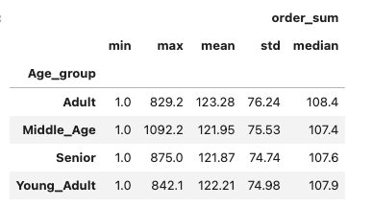
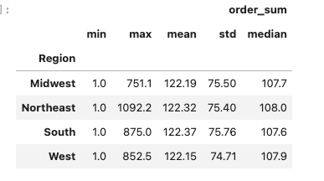
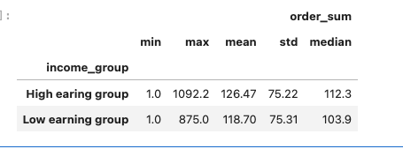
Title page

Visualisations

Q: What are the busiest days and hours for shopping?
Saturday and Sunday are the busiest, followed by Friday. Most activity happens between 9 AM and 5 PM.


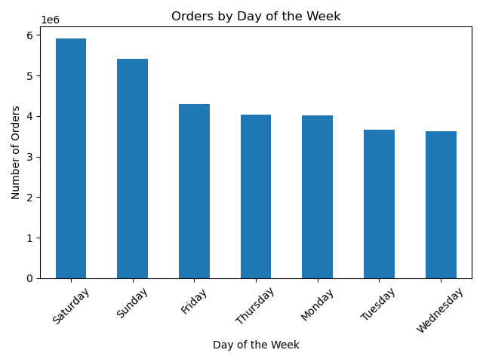

Hour of the Day

Q: Does customer spending vary by region or demographic group?
No, spending behavior is consistent across regions. Most customers spend $10 or less per visit, regardless of location. The South has more customers likely due to a larger population.

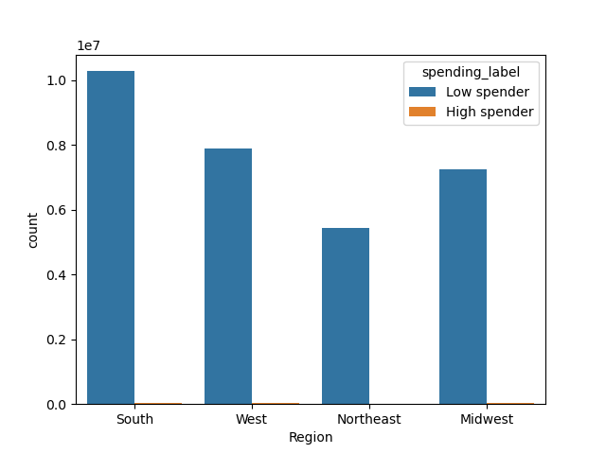

Q: How are customers distributed by brand loyalty and how often do they shop?
Regular customers: 50% (order every 8–10 days)
Loyal customers: 33% (order almost weekly, >40 orders)
New customers: 17% (≤10 orders)

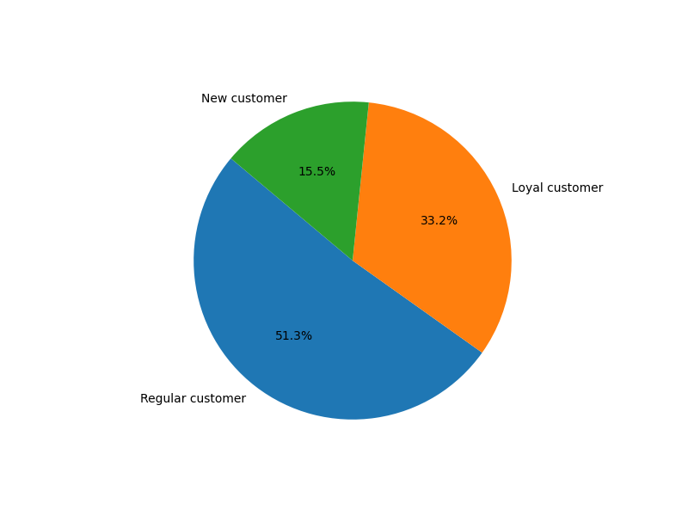
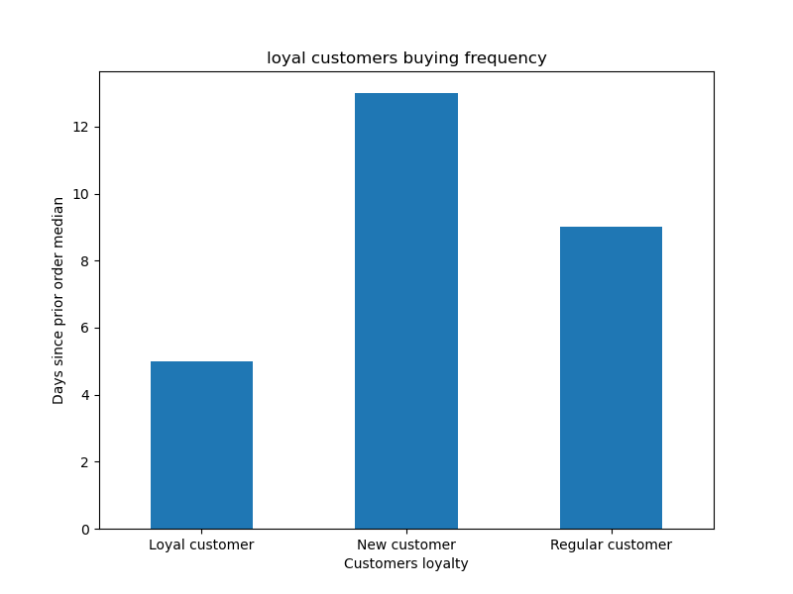

Q: Does age influence shopping behavior or loyalty?
Yes. Seniors and middle-aged customers are the largest groups and tend to have higher incomes. Most loyal customers are also from these age groups.

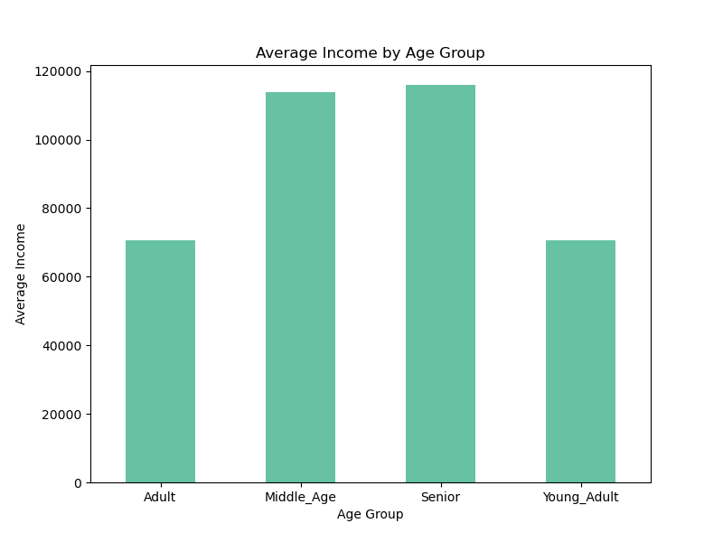
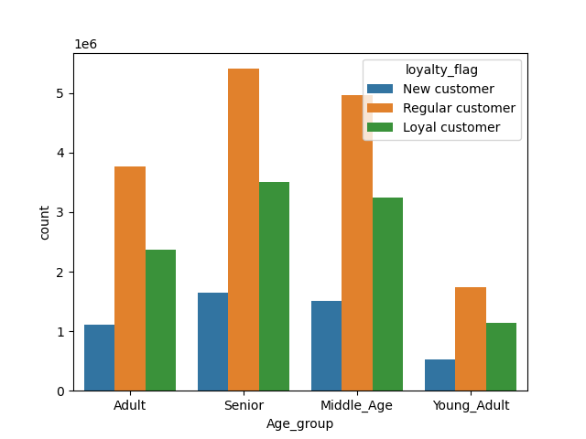
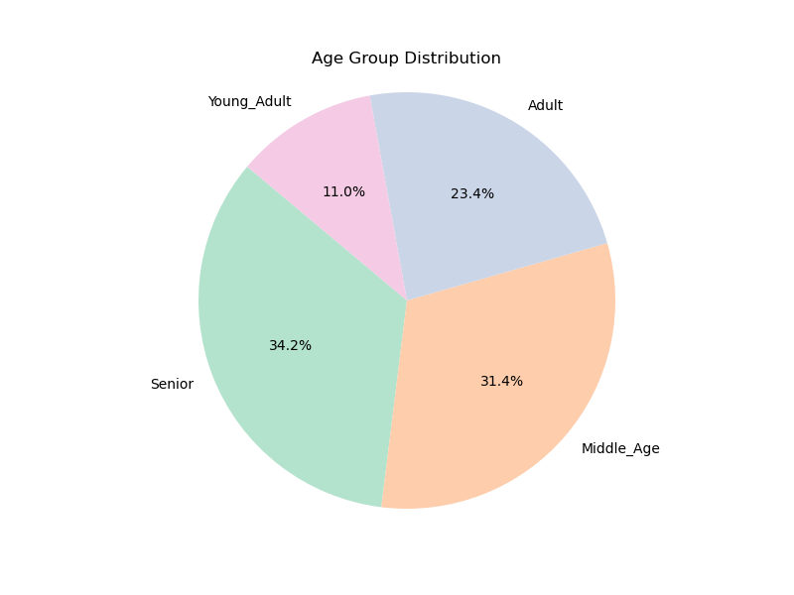

Loyalty based on Age groups

Q: What are the best-selling departments and when do people spend the most?
Produce is the top-selling department, followed by Dairy & Eggs, and Snacks. Most spending occurs in the early morning.

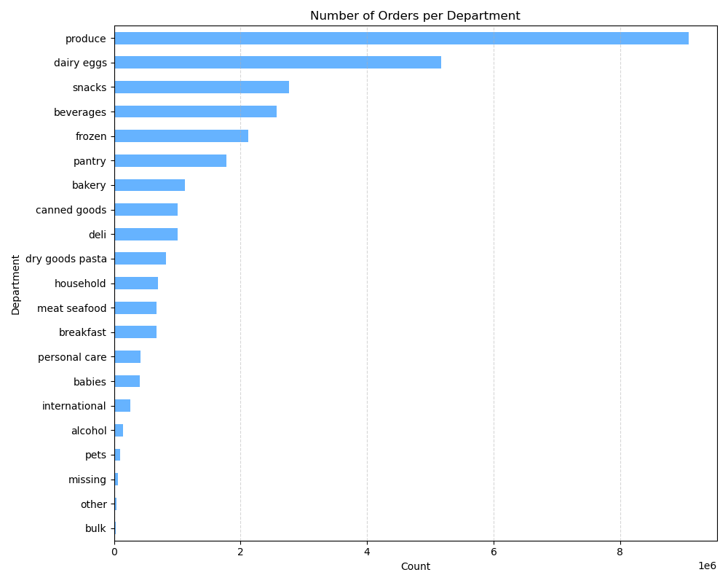


Q: Does the number of dependents affect shopping trends?
Yes. Nearly 75% of Instacart customers have more than one dependent. Customers with dependents consistently shop more frequently and across more departments compared to those without dependents.Additionally, most age groups show a higher proportion of customers with dependents than singles, highlighting a family-oriented customer base.

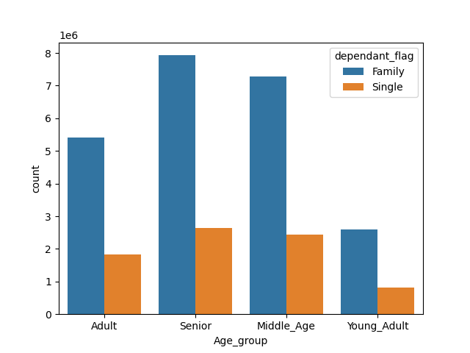

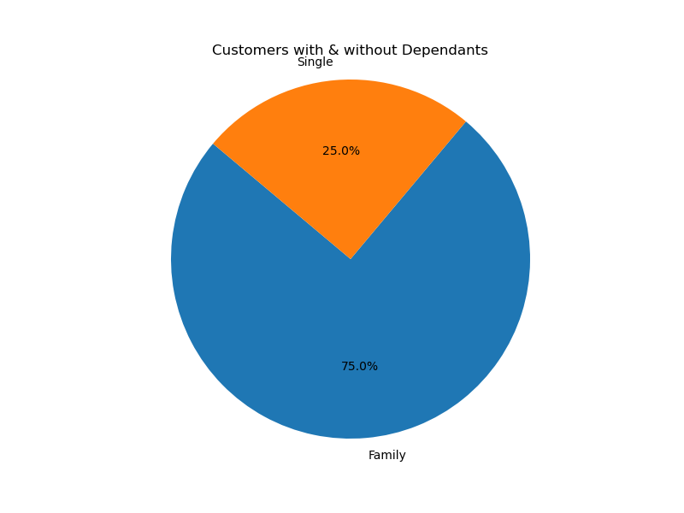
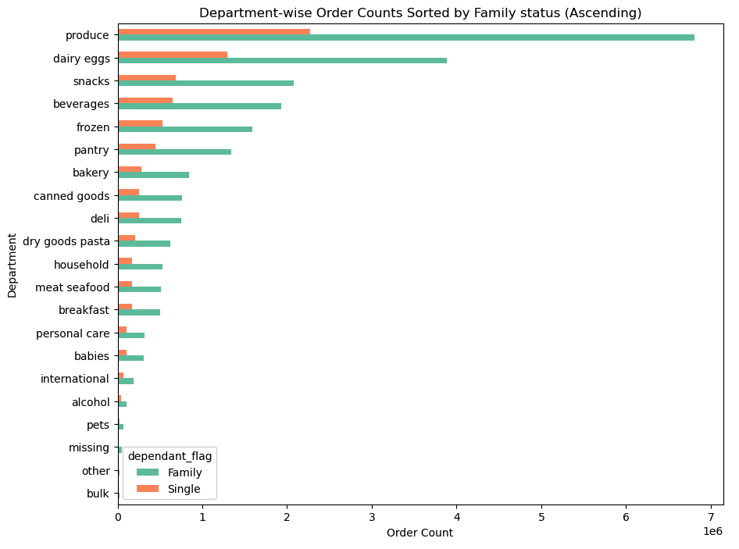

How does income influence shopping trends?
About 54% of Instacart customers belong to the low-income group, which is primarily made up of adults. In contrast, the high-income group (45.9%) mainly consists of seniors and middle-aged customers, who also show greater brand loyalty and more consistent shopping behavior.

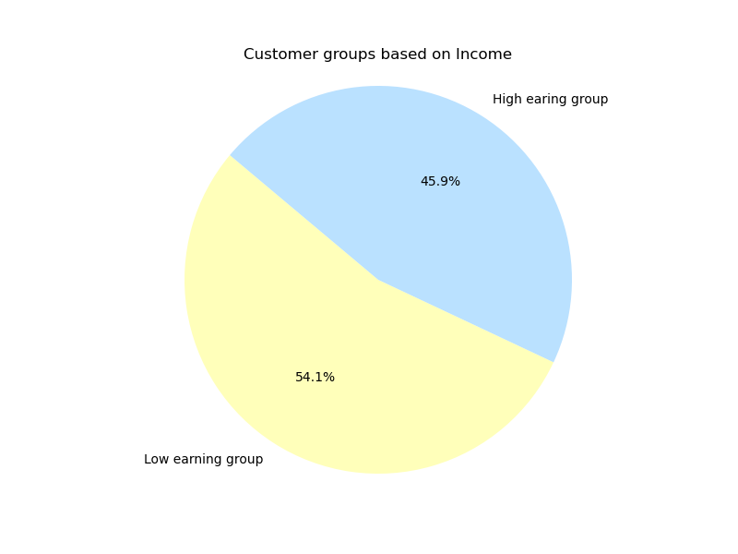
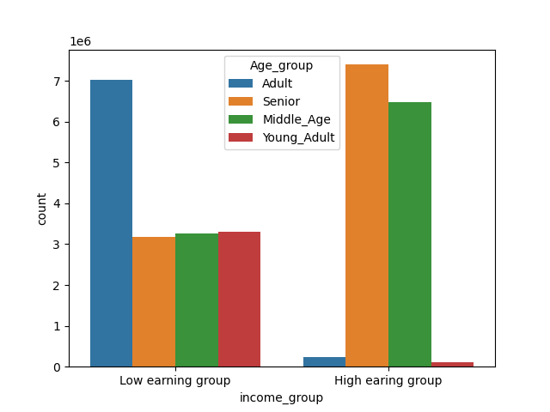

What are the maximum, average, and minimum usage frequency and spending levels across different customer profiles?
When analyzing total spending per customer, there is no significant variation across age groups, regions, or income levels. This suggests that customer spending behavior remains relatively consistent, regardless of demographic differences.

Income group
Age group
Region

7. Recommendations
Title page

Recommendations

1. Target Peak Shopping Times
Focus promotions and ads on weekends (Sat-Sun) and Fridays, especially between 9 AM – 5 PM, when user activity is highest.
Consider flash deals or delivery incentives during these peak hours to maximize conversion.
2. Personalize Campaigns for Families
Since 75% of users have dependents, create tailored marketing for families, such as:
Family-sized bundles
“Weekly meal kits” for families
Special offers on popular family departments like produce, dairy, and snacks
3. Segment by Income and Age for Loyalty Programs
Low-income adults make up the largest customer segment — offer affordable product bundles, loyalty rewards, or cashback incentives to increase frequency.
Seniors and middle-aged customers (high-income group) are more loyal — nurture this group with:
Exclusive loyalty tiers
Early access to sales or premium services
Personalized recommendations based on past purchases
4. Focus on Universal Value – Not Just Region
Since spending patterns are consistent across regions, national-level marketing campaigns will be effective — focus on customer type, not just geography.
5. Encourage Repeat Purchases by Customer Type
Regular and loyal customers make up 83% of the user base. Use automated reminders, personalized offers, and "reorder previous purchase in 1 click" features to keep them coming back.
6. Optimize Product Placement in Top Departments
Since Produce, Dairy & Eggs, and Snacks are top departments, place:
Sponsored products
Cross-sell recommendations, place adds, frequently brought together items

